Form
 |  | Property

 |  | Data Based On |  |  |  |  |  |  |  |  |  |  |  | Remaining Based On

 |  |  | From
 |  |  | To
 |  |  |  |  |  |  |  |  |  |  |  |  |  | Date Based On
 |  |  | From
 |  |  | To

 |  | Report Type |  |  |  | Currency Type |  |  |  |  |  | Filter

 |  |  |  |  |  |  |  |  |  |  |  |  | From
 |  |  |  |  |  |  |  |  |  |  |  |  | To
 |  | Sort By

 | Property |  |  |  |  |  |  |  |  |  |  |  |  |  | Floor |  |  |  | To |  |  |  |  |  |  | Description : utk note tambahan di template reportnya
 | Invoice Type |  |  |  |  |  |  |  |  |  |  |  |  |  | Reference No |  |  |  | To |  |  |  |  |  |  | Default Template Name sudah ada di Invoice Group
 | Department |  |  |  |  |  |  |  |  |  |  |  |  |  | Reference Date |  |  |  | To
 | Invoice Group |  |  |  |  |  |  |  |  |  |  |  |  |  | Customer |  |  |  |  |  |  |  |  |  |  | Template Name Comobobox cm ada 2 value:
 | Invoice Period |  |  |  |  |  |  | Cut Off Date |  |  |  |  |  |  |  | From |  |  |  |  |  |  |  |  |  | - Standard 1
 | Building Id |  |  |  |  |  |  |  |  |  |  |  |  |  |  | To |  |  |  |  |  |  |  |  |  | - Standard 2
 | Template Name |  |  |  |  |  |  |  |  |  |  |  |  |  | Filter By |  |  |  |  |  |  |  |  |  |  | Invoice Charges : bs liat INVOICE PLAN
 | Description |  |  |  |  |  |  |  |  |  |  |  |  |  |  |  |  |  |  |  |  |  |  |  |  | SELECT * FROM GSB_CODE_DT WHERE CCLASS_ID LIKE '%INVOICE_TYPE%'
 |  |  |  |  |  |  |  |  |  |  |  |  |  |  |  |  |  |  |  |  |  |  |  |  |  | CCLASS_RECID invoice < 20

 |  | Invoice No |  |  |  | Invoice Date |  | Tenant ID |  |  | Tenant Name |  |  |  | Dept Code |  | Agreement No | Total Unit |  | Unit Description |  |  |  |  |  | Charge and Utility
 |  |  |  |  |  |  |  |  |  |  |  |  |  |  |  |  |  |  |  |  |  |  |  |  |  | Deposit
 |  |  |  |  |  |  |  |  |  |  |  |  |  |  |  |  |  |  |  |  |  |  |  |  |  | Penalty | dr Penalty Manager
 |  |  |  |  |  |  |  |  |  |  |  |  |  |  |  |  |  |  |  |  | Email Address |  |  |  |  | Other | = input manual dr proforma atau PM invoice (invoice General)

 |  |  |  |  |  |  |  |  |  |  |  |  |  |  |  |  |  |  |  |  |  | Print |  |  |  | cek Utility Master utk liat detail Utility
 |  |  |  |  |  |  |  |  |  |  |  |  |  |  |  |  |  |  |  |  |  |  | Distribute |  | = label liat PMB04000

 |  |  |  |  |  |  |  |  |  |  |  |  |  |  |  |  |  |  |  |  |  |  |  |  | syarat & ketentuan di template report : info bank ambil dr tenant profile

 |  |  |  |  |  |  |  |  |  |  |  |  |  |  |  |  |  |  |  |  |  |  |  | Print Once Only : (disabled) report ini cm bs d print 1x. Tergantung user nya, default value.

 |  |  |  |  |  |  |  |  |  |  |  |  |  |  |  |  |  |  |  |  |  |  |  |  | !Design template report d sediain masing2 charges 2,
 |  |  |  |  |  |  |  |  |  |  |  |  |  |  |  |  |  |  |  |  |  |  |  |  | bentuk yg summary deail summary detail
 |  |  |  |  |  |  |  |  |  |  |  |  |  |  |  |  |  |  |  |  |  |  |  |  | sm bentuk yg summary dlu semua, baru nti detailnya lampiran d akhir.

Property Id

 |  |  | Property
 |  |  | Cut Off Date
 |  |  | Department
 |  |  | Period |  |  |  |  |  |  | To
 |  |  | Reference Date |  |  |  |  |  |  | To
 |  |  | Due Date |  |  |  |  |  |  | To
 |  |  | Reference No |  |  |  |  |  |  | To
 |  |  | Customer Id
 |  |  | Agreement Dept
 |  |  | Agreement No
 |  |  | Currency
 |  |  | Total Amount |  |  | between |  |  |  |  |  | and
 |  |  | Remaining Amt |  |  | between |  |  |  |  |  | and
 |  |  | Days Late |  |  | between |  |  |  |  |  | and
 |  |  | Invoice Type
 |  |  | Invoice Group

 |  |  |  | Property
 |  |  |  | Invoice Period
 |  |  |  | Building |  |  |  |  |  |  | To

 |  |  |  |  |  |  | Utility Type

 |  |  |  |  |  |  | Utility Type :

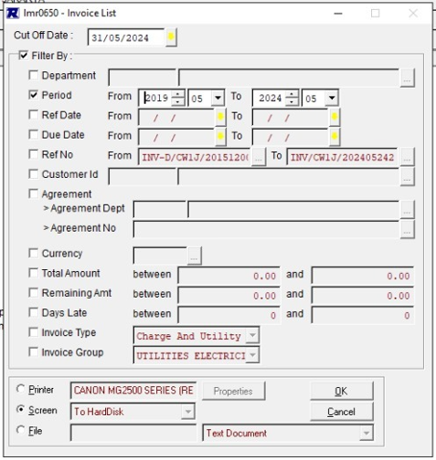

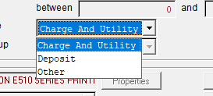

 |  |  |  |  | Property
 |  |  |  |  | Report Type

 |  |  |  |  |  | Output to |  | : | o | Screen
 |  |  |  |  |  |  |  |  | o | Printer |  |  |  |  |  | V

Report Summary
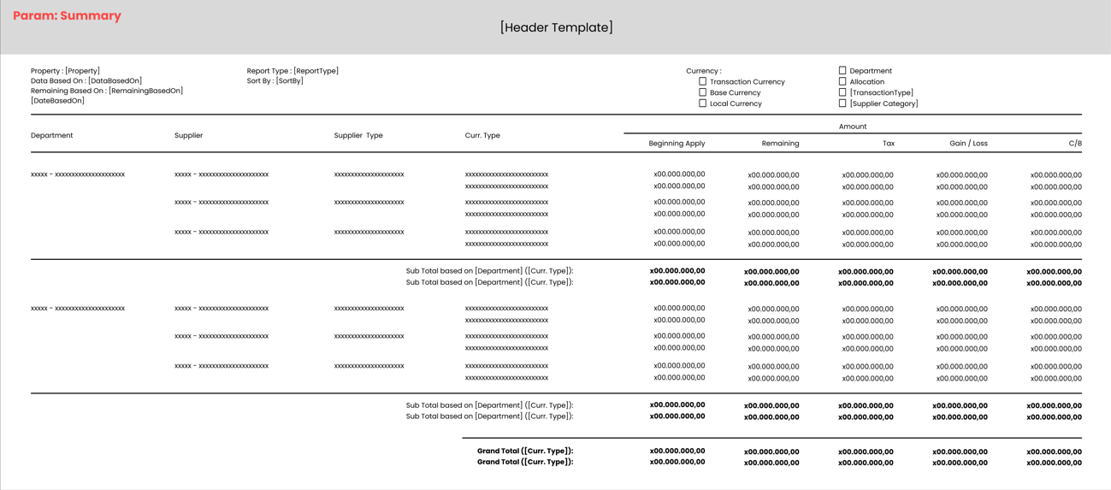
STANDARD REPORT HEADER

Property : [Property] |  | Report Type : [ReportType] |  |  |  | Currency :
Data Based On : [DataBasedOn] |  | Sort By : [SortBy]
Remaining Based On : {RemainingBasedOn]
[Date Base On]

Department | Supplier | Curr Type | Amount
 |  |  | Beginning Apply |  | Remaining |  | Tax | Gain/Loss | Allocation Amt
xxxx - xxxxxxxxxxxxxxxxx | xxxx - xxxxxxxxxxxxxxxxx | IDR |  | x00.000.000,00 |  | x00.000.000,00 | x0.000.000,00 |  |  | x00.000.000,00
 |  | SGD |  | x00.000,00 |  | x00.000,00 |  | x0.000,00 |  | x0.000,00
 |  | IDR |  | x00.000.000,00 |  | x00.000.000,00 | x0.000.000,00 |  |  | x00.000.000,00

 | xxxx - xxxxxxxxxxxxxxxxx | IDR |  | x00.000.000,00 |  | x00.000.000,00 | x0.000.000,00 |  |  | x00.000.000,00
 |  | SGD |  | x00.000,00 |  | x0.000,00 |  | x.000,00
 |  | IDR |  | x00.000.000,00 |  | x00.000.000,00 | x0.000.000,00 |  |  | x00.000.000,00
 | Sub Total Based On [Department] ([CurrType]) |  |  | x00.000.000,00 |  | x00.000.000,00 | x0.000.000,00 |  |  | x00.000.000,00
 | Sub Total Based On [Department] (SGD) |  |  | x00.000,00 |  | x00.000,00 |  | x0.000,00 |  | x0.000,00
 | Sub Total Based On [Department] (IDR) |  |  | x00.000.000,00 |  | x00.000.000,00 | x0.000.000,00 |  |  | x00.000.000,00

xxxx - xxxxxxxxxxxxxxxxx | xxxx - xxxxxxxxxxxxxxxxx | IDR |  | x00.000.000,00 |  | x00.000.000,00 | x0.000.000,00 |  |  | x00.000.000,00
 |  | SGD |  | x00.000,00 |  | x00.000,00 |  | x0.000,00 |  | x0.000,00
 |  | IDR |  | x00.000.000,00 |  | x00.000.000,00 | x0.000.000,00 |  |  | x00.000.000,00

 | xxxx - xxxxxxxxxxxxxxxxx | IDR |  | x00.000.000,00 |  | x00.000.000,00 | x0.000.000,00 |  |  | x00.000.000,00
 |  | SGD |  | x00.000,00 |  | x0.000,00 |  | x.000,00
 |  | IDR |  | x00.000.000,00 |  | x00.000.000,00 | x0.000.000,00 |  |  | x00.000.000,00
 | Sub Total Based On [Department] ([CurrType]) |  |  | x00.000.000,00 |  | x00.000.000,00 | x0.000.000,00 |  |  | x00.000.000,00
 | Sub Total Based On [Department] (SGD) |  |  | x00.000,00 |  | x00.000,00 |  | x0.000,00 |  | x0.000,00
 | Sub Total Based On [Department] (IDR) |  |  | x00.000.000,00 |  | x00.000.000,00 | x0.000.000,00 |  |  | x00.000.000,00
 |  | Grand Total ([CurrType]) |  | x00.000.000,00 |  | x00.000.000,00 | x0.000.000,00 |  |  | x00.000.000,00
 |  | Grand Total (SGD) |  | x00.000,00 |  | x00.000,00 |  | x0.000,00 |  | x0.000,00
 |  | Grand Total (IDR) |  | x00.000.000,00 |  | x00.000.000,00 | x0.000.000,00 |  |  | x00.000.000,00

Report Detail
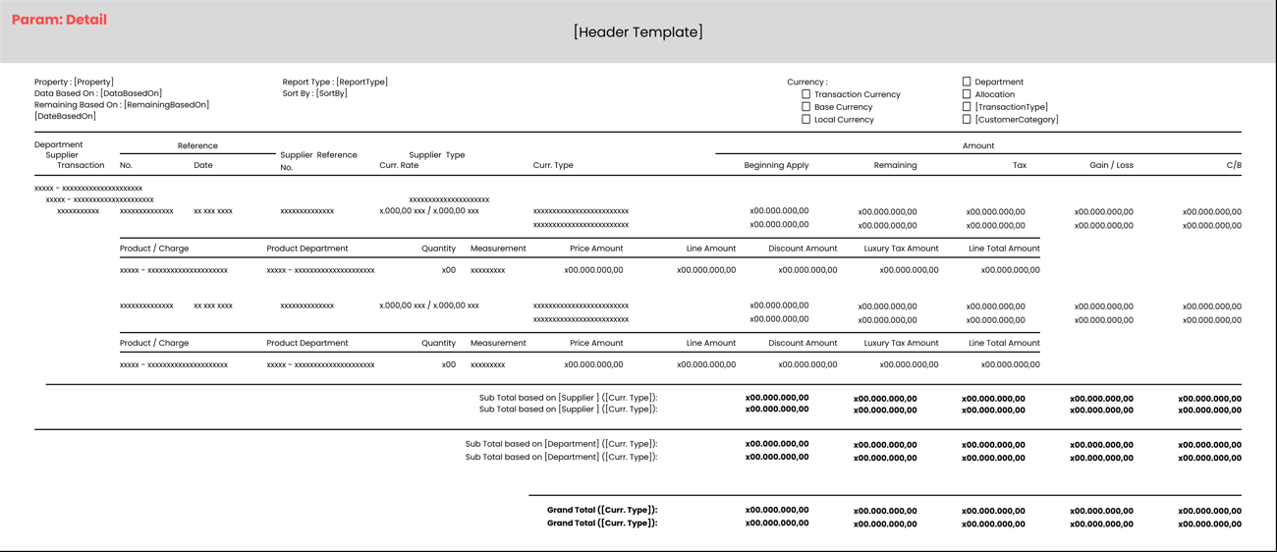
STANDARD REPORT HEADER

Property : [Property] |  |  |  | Report Type : [ReportType] |  |  |  |  | Currency : |  |  |  |  | Note:
Data Based On : [DataBasedOn] |  |  |  | Sort By : [SortBy] |  |  |  |  |  |  |  |  |  | 110010 | Purchase Invoice | header +
Remaining Based On : {RemainingBasedOn] |  |  |  |  |  |  |  |  |  |  |  |  |  | 110040 | Purchase Credit Note | header +
[Date Base On] |  |  |  |  |  |  |  |  |  |  |  |  |  | 120010 | Purchase Return | header -
 |  |  |  |  |  |  |  |  |  |  |  |  |  | 120040 | Purchase Debit Note | header -
Supplier |  |  |  |  |  | Amount |  |  |  |  |  |  |  | 140010 | AP Debit Adjustment | header -
 | Transaction | Ref. No. |  | Ref. Date | Curr Type | Beginning Apply |  | Remaining |  | Tax | Gain/Loss | Allocation Amt |  | 140020 | AP Credit Adjustment | header +
[SupplierId] - [SupplierName]
 | [TransCode] - [TransName] | xxxxxxxxxxxxxxxxx |  | xx/xx/xxxx | IDR |  | x00.000.000,00 |  | x00.000.000,00 | x0.000.000,00 | 0 |  | x00.000.000,00 |  | <- Contoh Trans Code header + (allocation detailnya pk kurung)
 |  |  |  |  | SGD |  | x00.000,00 |  | x00.000,00 | 0 | x0.000,00 |  | x0.000,00
 |  | xxxxxxxxxxxxxxxxx |  | xx/xx/xxxx | IDR |  | (x00.000.000,00) |  | 0 | 0 | 0 |  | x00.000.000,00 |  | <- Allocation Detail
 |  |  |  |  | SGD |  | (x00.000,00) |  | 0 | 0 | x.000,00 |  | x0.000,00 |  | <- Allocation Detail
 |  | xxxxxxxxxxxxxxxxx |  | xx/xx/xxxx | IDR |  | (x00.000.000,00) |  | 0 | 0 | 0 |  | x00.000.000,00 |  | <- Allocation Detail
 |  |  |  |  | SGD |  | (x00.000,00) |  | 0 | 0 | x.000,00 |  | x0.000,00 |  | <- Allocation Detail

 | xxxx - xxxxxxxxxxxxxxxxx | xxxxxxxxxxxxxxxxx |  | xx/xx/xxxx | IDR |  | x00.000.000,00 |  | x00.000.000,00 | x0.000.000,00 | 0 |  | x00.000.000,00
 |  |  |  |  | SGD |  | x00.000,00 |  | x00.000,00 | 0 | x0.000,00 |  | x0.000,00
 |  | Sub Total Based On [Supplier] ([CurrType]) |  |  |  |  | x00.000.000,00 |  | x00.000.000,00 | x0.000.000,00 | 0 |  | x00.000.000,00
 |  | Sub Total Based On [Supplier] (SGD) |  |  |  |  | x00.000,00 |  | x00.000,00 | 0 | x0.000,00 |  | x0.000,00

xxxx - xxxxxxxxxxxxxxxxx
 | xxxx - xxxxxxxxxxxxxxxxx | xxxxxxxxxxxxxxxxx |  | xx/xx/xxxx | IDR |  | x00.000.000,00 |  | x00.000.000,00 | x0.000.000,00 | 0 |  | 0
 |  |  |  |  | SGD |  | x00.000,00 |  | x00.000,00 | 0 | x0.000,00 |  | 0
 | xxxx - xxxxxxxxxxxxxxxxx | xxxxxxxxxxxxxxxxx |  | xx/xx/xxxx | IDR |  | x00.000.000,00 |  | x00.000.000,00 | x0.000.000,00 | 0 |  | 0
 |  |  |  |  | SGD |  | x00.000,00 |  | x00.000,00 | 0 | x0.000,00 |  | 0
 | 140010 - AP Debit Adjustment | xxxxxxxxxxxxxxxxx |  | xx/xx/xxxx | IDR |  | x00.000.000,00 |  | x00.000.000,00 | x0.000.000,00 | 0 |  | (x00.000.000,00) |  | <- Contoh Trans Code header - (header nya pk kurung, allocation detailnya positif)
 |  |  |  |  | SGD |  | x00.000,00 |  | x00.000,00 | 0 | x0.000,00 |  | (x0.000,00)
 |  | xxxxxxxxxxxxxxxxx |  | xx/xx/xxxx | IDR |  | x00.000.000,00 |  | 0 | 0 | 0 |  | x00.000.000,00 |  | <- Allocation Detail
 |  |  |  |  | SGD |  | x00.000,00 |  | 0 | 0 | x.000,00 |  | x0.000,00 |  | <- Allocation Detail

 |  | Sub Total Based On [Supplier] ([CurrType]) |  |  |  |  | x00.000.000,00 |  | x00.000.000,00 | x0.000.000,00 | 0 |  | x00.000.000,00
 |  | Sub Total Based On [Supplier] (SGD) |  |  |  |  | x00.000,00 |  | x00.000,00 | 0 | x0.000,00 |  | x0.000,00

 |  |  | Grand Total (IDR) |  |  |  | x00.000.000,00 |  | x00.000.000,00 | x0.000.000,00 | 0 |  | x00.000.000,00
 |  |  | Grand Total (SGD) |  |  |  | x00.000,00 |  | x00.000,00 | 0 | x0.000,00 |  | x0.000,00

